Introduction

Social Risk Assessment Information

This reference document has been assembled to help seafood businesses better understand the metrics and scoring methodologies of different open and closed sources of information (national and supranational government agencies, NGOs, private sector research and consulting houses etc.) that offer insight on the social risks posed to UK businesses by seafood trading partners in third countries. We wanted to provide a resource for seafood businesses that would simply document the metrics and scoring methodologies of the different risk assessment information sources, risk assessment schemes and risk assessment tools. We have developed a framework that hopefully provides a user-friendly way to compare the detail provided across different schemes.
Please note that the inclusion of any company, product or service in this publication does not constitute a recommendation or endorsement by Seafish.
This reference document includes different worksheets covering the following:
> The 'Overview' tab: end-users can draw up an individual scorecard for an organisation that offers risk management solutions to the seafood industry;
> The 'Detailed Summary' tab: end-users can see and filter through a complete breakdown of the different open and closed sources of information that have been unearthed as part of this literature review (these have been segmented according to the type of resource, information provision, scope of research, scoring system and notes on methodological strengths and weaknesses);
> The tab 'Key': end-users can learn more about the methodology underpinning this literature review.

For further information or if you have suggestions for additional content, please contact either Karen Green (karen.green@seafish.co.uk) or Michaela Archer (michaela.archer@seafish.co.uk).

© Seafish 2020. Compiled August 2019.

Disclaimer
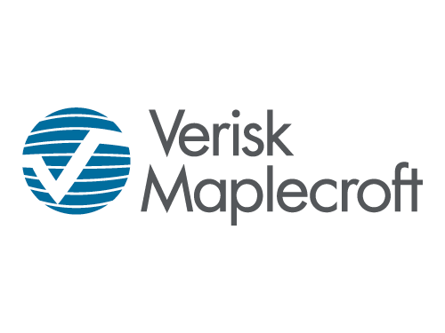

Disclaimer

These materials, including any updates to them, are published by and remain subject to the copyright of Maplecroft.Net Limited ("Verisk Maplecroft"). Verisk Maplecroft makes no warranty or representation about the accuracy or completeness of the information and data contained in these materials, which are provided 'as is'. The opinions expressed in these materials are those of Verisk Maplecroft, and nothing contained in them constitutes an offer to buy or to sell securities, or investment advice. If, notwithstanding the foregoing, you or any other person relies upon these materials in any way, Verisk Maplecroft does not accept, and hereby disclaims to the extent permitted by law, all liability for any loss and damage suffered arising in connection with such reliance. Copyright © 2019, Verisk Maplecroft Limited. All rights reserved. Verisk Maplecroft is a Verisk business.

